Sheet1
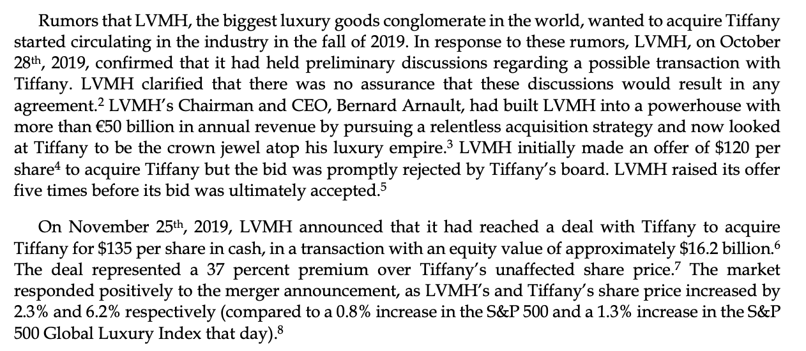
 | News | Expected Move |  | Percent allocation | Fees | PnL
Refrigerators | Trending | 0.02 |  | 1 | 90 | 60 | Icicle Earrings
Icicle Earings | Rumor Acq closed | 0.06 |  | 3 | 810 | 540
Electric Blankets | Software recall | 0.01 | -0.05 |  | 0 | 0
Sleds | Tax increase | -0.2 |  | -10 | 9000 | 6000
Ice Sculptures | Delay | 0 |  |  | 0 | 0
PS6 | Big sales increase | 0.05 |  | 2 | 360 | 390
Moustache Serum | Fraud report | -0.5 |  | -17 | 26010 | 37,740
Lava Lamps | Lava leak | -0.05 |  | -2 | 360 | 390
Hot Chocolate | Celebrity lawsuit | -0.01 |  |  | 0 | 0

Base |  | 750000 |  | 35

